1. Title Page
Instacart Grocery Basket Analysis

Project Name: Instacart Grocery Basket Analysis
Date: September 2025
Analyst Name: Milena Nedyalkova

Contents:
Population Flow
Consistency checks
Wrangling steps
Column derivations
Visualizations
Recommendations

Citation:
'The Instacart Online Grocery Shopping Dataset 2017”, accessed from www.instacart.com/datasets/grocery-shopping-2017 via Kaggle on September 4, 2025.

Note:
Customers dataset and prices were fabricated for the purpose of this course by Careerfoundry

2. Population Flow
Title page

Population flow

Exclusion flag
Condition: max_order <
Obervations to be removed:
Final total count of order_products_all:

Orders_products_combined
Orders_products_merged
Orders_products_all

Total: 32.404.859
Total: 32.434.489
Total: 32.404.859

1.) The grey boxes in the first row of the population flow represent the original data sets as they were when you downloaded them. In the Total fields you need to add the count of the rows when you imported the data set into Jupyter.
2.) The second row of boxes (coloured) represents the data sets after you manipulated them, e.g., removed missing values and duplicates. In the Total fields you need to add the count of the rows after conducting these operations. This offers a visual oveview of how the data flows throughout the data consistency checks.
3.) The third row, where also the arrows are coloured, represents the merges you performed between the datasets. In the Total fields you need to add the count of the rows in the merged datasets, so that you end up with the final dataset (in the red box). Keep in mind the final dataset should be without exclusions (based on the exclusion flag).

3. Consistency checks
 |  |  |  | Title page
Consistency checks

Dataset | Missing values | Missing values treatment | Duplicates
orders | 206209 missing values in the days_since_prior_order column | Left In Dataframe | 0
products | 16 missing values in the column 'product_name' | deleted | 5, deleted
orders_products_prior | 0 | No Missing Values | 0
customers | 0 | No Missing Values | 0

4. Wrangling steps
 |  |  |  | Title page
Wrangling steps

Columns dropped | Columns renamed | Columns' type changed | Comment/Reason
 | order_dow' : 'orders_day_of_week'
 |  | user_id and product_name | Changed from int to string, as it has no meaningful valuable as integer
eval_set |  |  | Not needed for future analysis
 |  | df_prods['product_name'] = df_prods['product_name'].astype('str')
_merge |  |  | Column was created and dropped on different occassions when combining dataframes
 | Surnam |  | Changed to Last Name for uniform column names
 | STATE |  | Changed to State for uniform column names
 | date_joined |  | Changed to Date Joined for uniform column names
 | n_dependants |  | Changed to Number of Dependents for uniform column names
 | fam_status |  | Changed to Family Status for uniform column names
 | income |  | Changed to Income for uniform column names

5. Column derivations
 |  |  |  | Title page

Column derivations and aggregations

In this tab you should add tables below that the frequences of flags/label variables that you produced after deriving them. NB: don't do this for continuous variables, only for flags.
Dataset | New column | Column/s it was derived from | Conditions
ords_prods_merged | price_range | prices | def price_label(row): if row['prices'] <= 5: return 'Low-range product' elif (row['prices'] > 5) and (row['prices'] <= 15): return 'Mid-range product' elif row['prices'] > 15: return 'High range' else: return 'Not enough data' df['price_range'] = df.apply(price_label, axis=1)
ords_prods_merged | busiest_day | orders_day_of_week | result = [] for value in ords_prods_merged["orders_day_of_week"]: if value == 0: result.append("Busiest day") elif value == 4: result.append("Least busy") else: result.append("Regularly busy") ords_prods_merged['busiest_day'] = result
ords_prods_merged | how_busy | orders_day_of_week | result2 = [] for value in ords_prods_merged["orders_day_of_week"]: if value == 0 or value == 1: result2.append("Busy day") elif value == 4 or value == 3: result2.append("Less busy") else: result2.append("Regularly busy") ords_prods_merged['how_busy'] = result2
ords_prods_merged | busiest_period_of_day | orders_hour_of_day | how_many_orders_per_hour = [] for value in ords_prods_merged["order_hour_of_day"]: if value <= 7: how_many_orders_per_hour.append("Fewest orders") elif value >= 8 and value <= 19: how_many_orders_per_hour.append("Most orders") else: how_many_orders_per_hour.append("Average orders") ords_prods_merged['busiest_period_of_day'] = how_many_orders_per_hour
ords_prods_merged_busiest_days_and_hours | max_order | loyalty_flag | df_ords_prods_merge.loc[df_ords_prods_merge['max_order'] > 40, 'loyalty_flag'] = 'Loyal customer' df_ords_prods_merge.loc[(df_ords_prods_merge['max_order'] <= 40) & (df_ords_prods_merge['max_order'] > 10), 'loyalty_flag'] = 'Regular customer' df_ords_prods_merge.loc[df_ords_prods_merge['max_order'] <= 10, 'loyalty_flag'] = 'New customer'
ords_prods_merged_busiest_days_and_hours | avg_product_price | spending_flag | df_ords_prods_merge.loc[df_ords_prods_merge['avg_product_price'] >= 10, 'spending_flag'] = 'High spender' df_ords_prods_merge.loc[df_ords_prods_merge['avg_product_price'] < 10, 'spending_flag'] = 'Low spender'
ords_prods_merged_busiest_days_and_hours | median_days_between_orders | order_frequency_flag | df_ords_prods_merge['median_days_between_orders'] = df_ords_prods_merge.groupby(['user_id'])['days_since_prior_order'].transform(np.median)

6. Visualizations
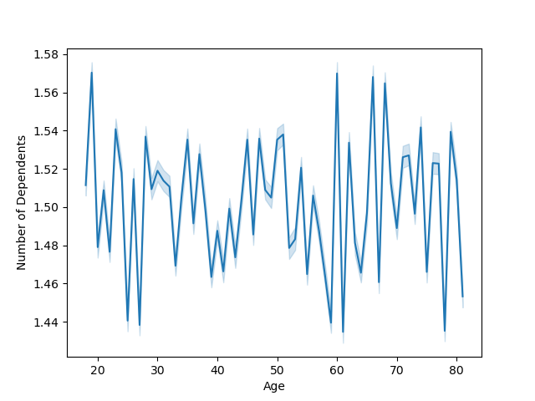

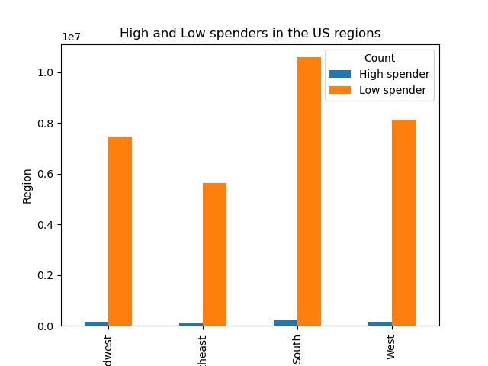
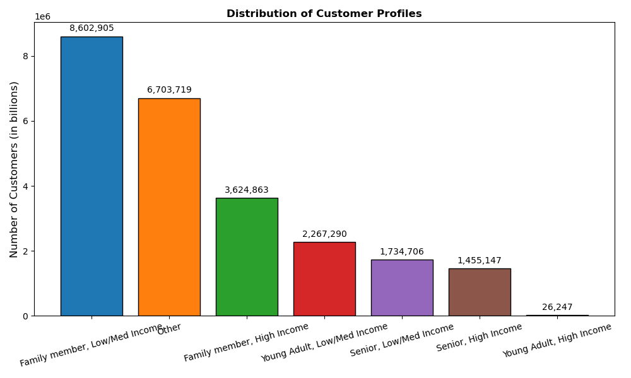
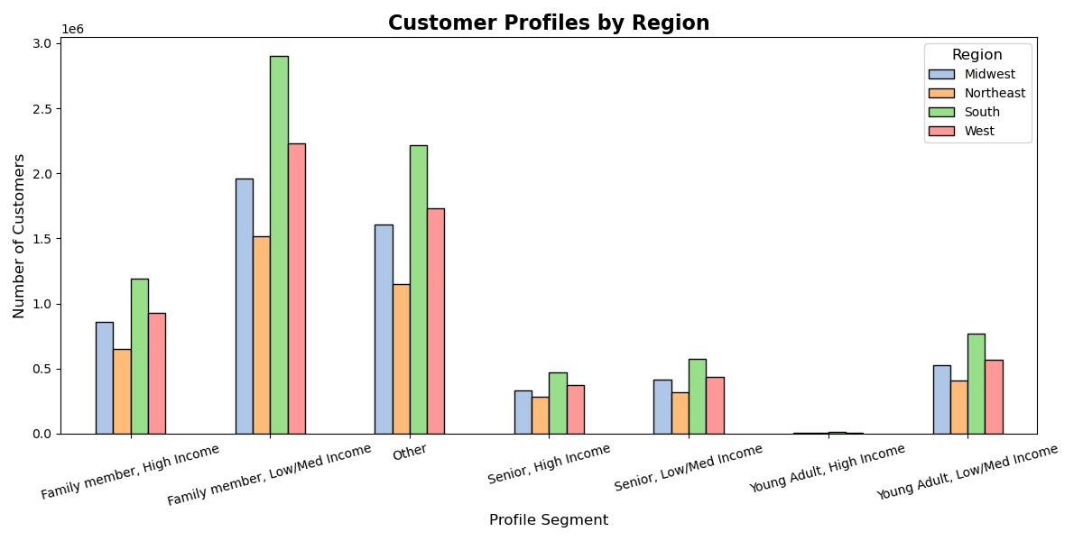
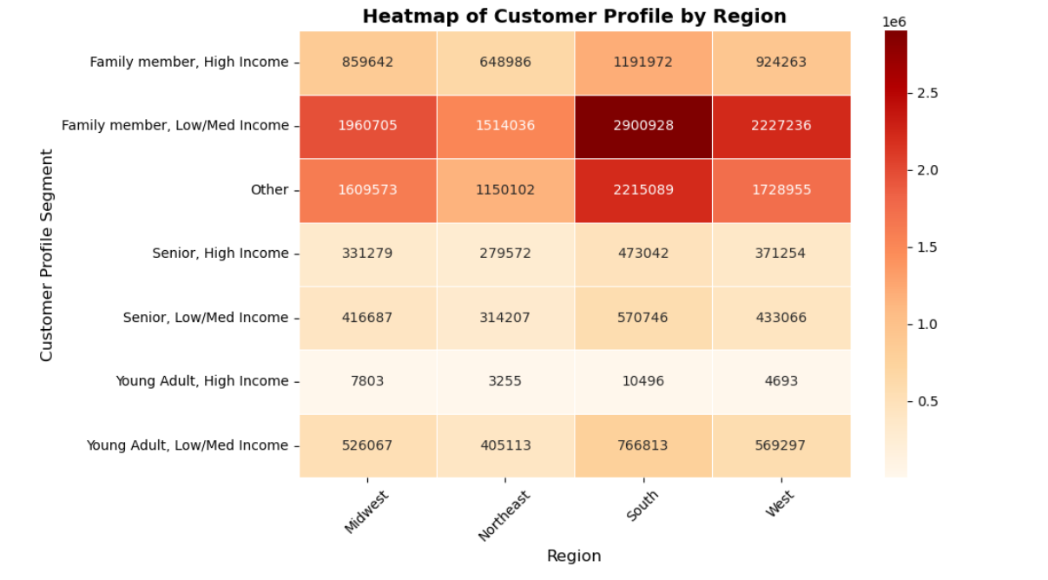
 |  | Title page

Visualisations

In this tab you should include all the visualtions from Exercises 4.9 and 4.10, alongside the questions from the project brief that they answer. Include any commentary on the relationship between different variables.

Question: | The sales team needs to know what the busiest days of the week and hours of the day are (i.e., the days and times with the most orders) in order to schedule ads at times when there are fewer orders.
 | They also want to know whether there are particular times of the day when people spend the most money, as this might inform the type of products they advertise at these times.
Comment: | The bar chart “Orders by Day of the Week” shows that order volumes peak on Saturday and Sunday, while Tuesdays and Wednesdays are the quietest. Most orders occur between 10:00 and 17:00, with very little activity overnight and a gradual decline after 17:00. The bar chart “Orders by Hour of the Day” illustrates these patterns.
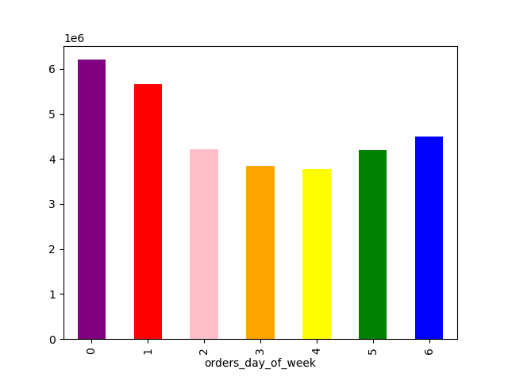


Question: | The marketing and sales teams are particularly interested in the different types of customers in their system and how their ordering behaviors differ
Comment: | Most Instacart customers are families with low to medium incomes, typically below 120,000 USD, while young adults under 30 with high incomes are the least represented group.
 | There appears to be no clear correlation between age, number of dependents, and income; however, customers over 40 tend to have a much wider income range compared to younger customers.
 | When looking at regional distribution, all customer segments are fairly consistent across the four regions, except in the South, where low- to medium-income customers are more strongly represented.

7. Recommendations
 | Title page

Recommendations

In this tab you should include any recommendations you would made to Instcart in terms of their marketing strategy based on the questions posed in the brief. Every key question has been covered in the Tasks of the Exercises - here you need to add an item - a visualisation or table/crosstable that is showing the answer in the data, acompanied by a comment from you. Please, list the questions below and add the answer underneath.

Analysis of Instacart’s order patterns shows that the busiest days are Saturday and Sunday, while Tuesdays and Wednesdays experience the lowest order volumes. Peak order activity occurs between 10:00 and 17:00, with spending highest from 9:00 to 16:00, peaking around 10:00. To optimize advertising effectiveness, Instacart should focus promotions on slower periods, such as Wednesday 6:00–8:00 and 17:00–22:00, and schedule key product campaigns during peak hours to maximize engagement. Early bird promotions and discounts can also help stimulate activity on quieter days like Tuesday and Wednesday.

Spending behavior indicates that most customers are families with low to medium incomes (under 120,000 USD). Young adults under 30 with high incomes are the least represented group. Marketing efforts should focus on mid-range products targeting adults and seniors, who form the core customer base. Loyalty programs, welcome promotions for new users, and tiered rewards for top spenders can encourage repeat purchases and increase overall engagement. Seniors with high incomes should be targeted with premium products and exclusive offers.

Product category analysis shows that produce, dairy & eggs, snacks, beverages, and frozen food are the most popular. Instacart should continue promoting these best-sellers through special deals, while also incentivizing underperforming categories to balance sales. Bulk or family-sized products should be promoted to larger households, whereas smaller households (0–1 dependents) can be targeted with convenient or single-serving options. Regional differences suggest the South has a higher representation of low- to medium-income customers, while the Northeast presents growth potential, calling for localized marketing strategies that consider household size, income, and age group.

Demographic insights indicate that there is no clear correlation between age, number of dependents, and income, although customers over 40 exhibit a wider income range. Marketing campaigns should therefore be customized by age, household size, income, and loyalty status. Middle-aged adults remain the primary customer segment, and campaigns should focus on engaging both families and smaller households, including married couples, singles, and divorced or widowed customers. Additional strategies include targeted promotions for niche departments such as “Personal Care” or “Pets & Babies” and offering subscription or meal kit services to encourage more frequent purchases among small families.

Overall, the recommendations emphasize timed advertising, targeted promotions, loyalty incentives, and tailored marketing by demographics and region. By aligning marketing efforts with these insights, Instacart can maximize engagement, boost spending, and drive growth across all customer segments.

